Images
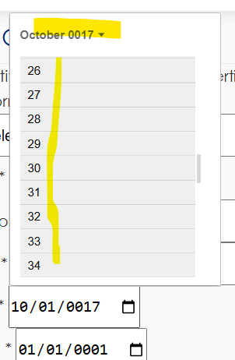
Image 1
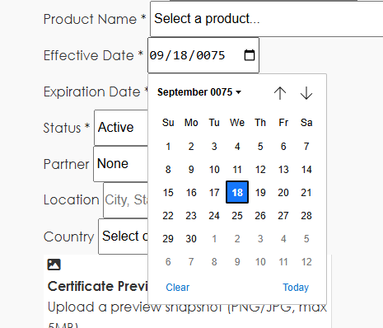

Image 2
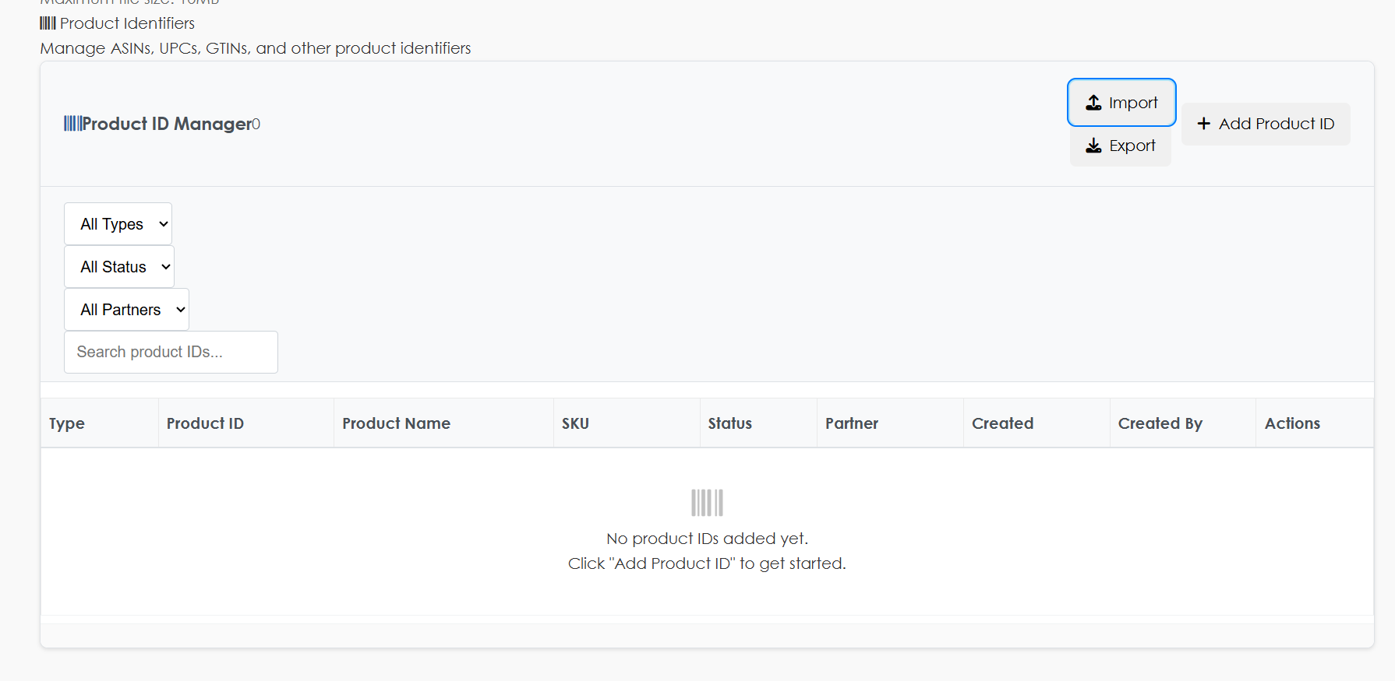

image 3


image 4
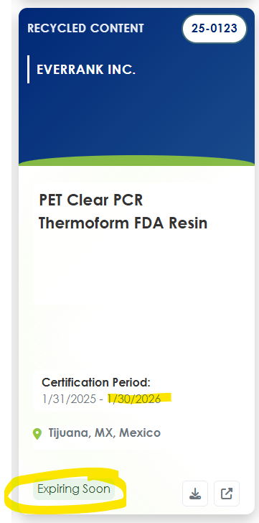

image 5


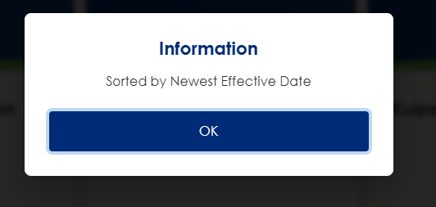

image 6
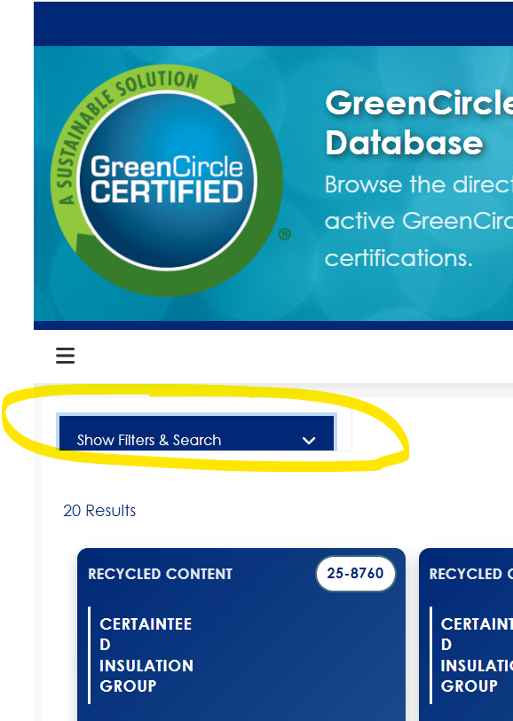


image 7
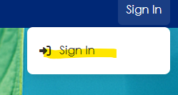

image 8
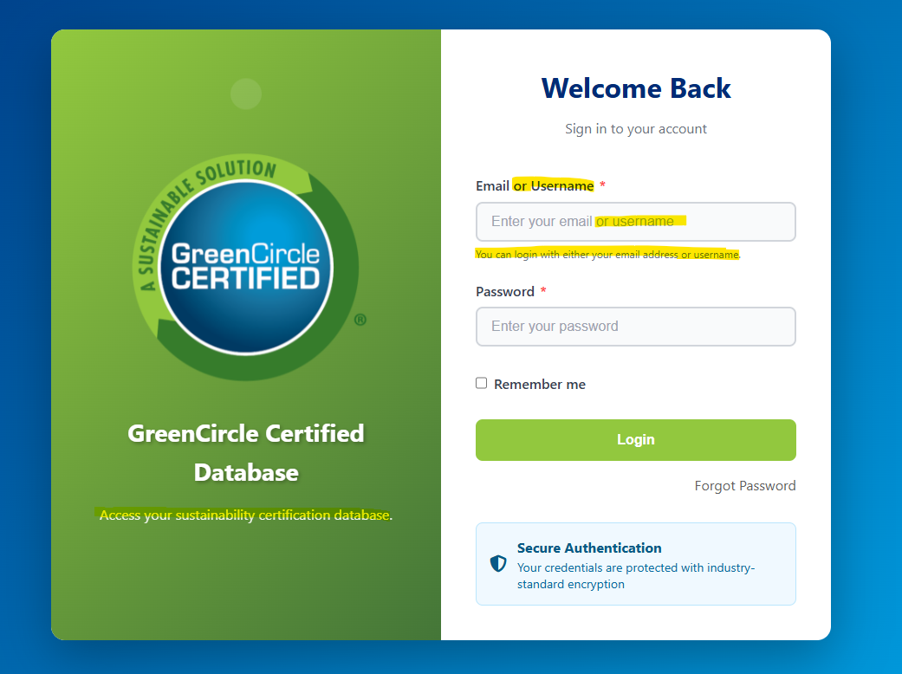

image 9
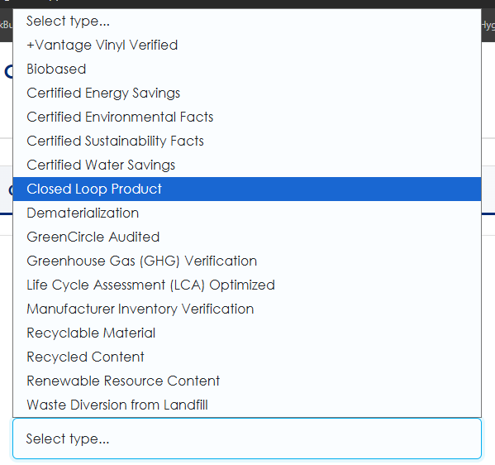

image 10
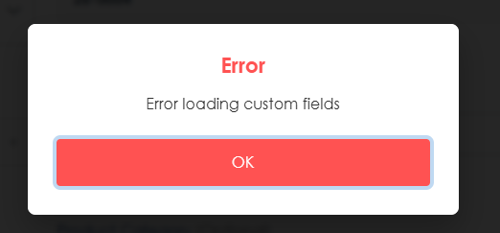

image 11
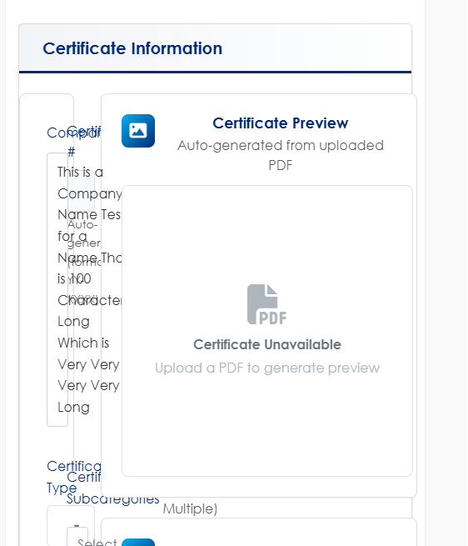

Image 11

image 12
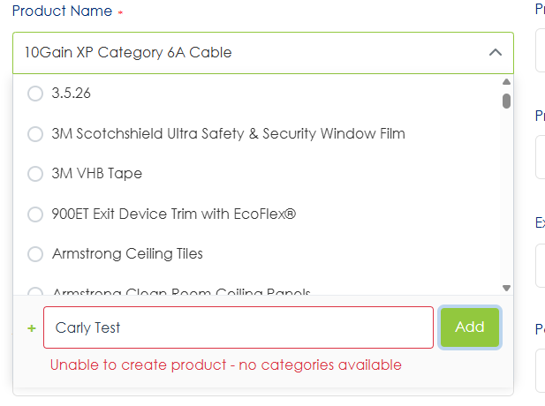

Image 13

image 14
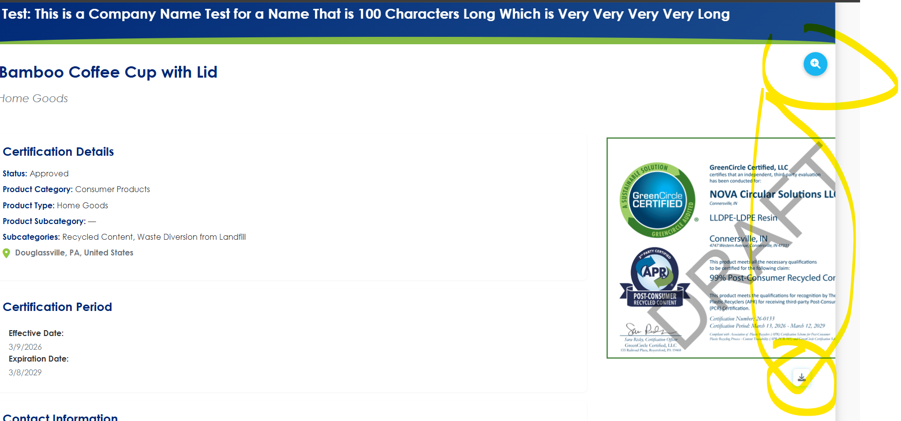

image 15
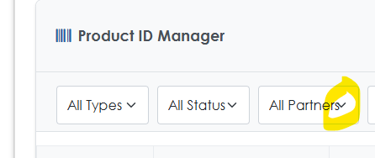

image 16
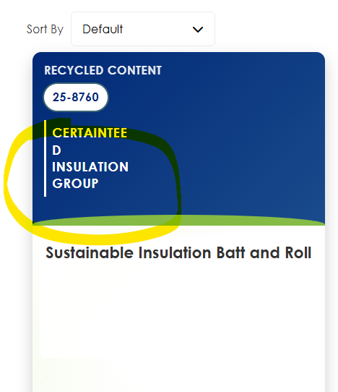

image 17 |  |  | image 17 B
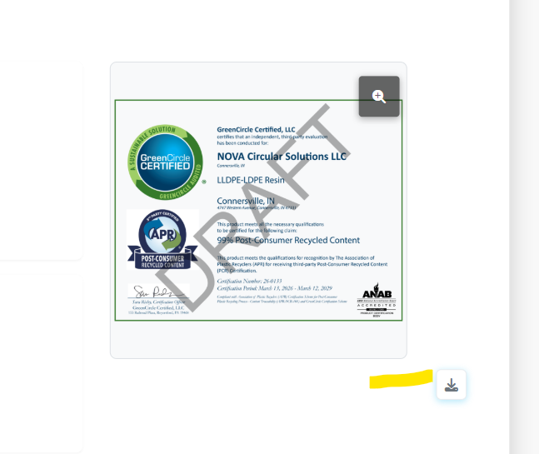
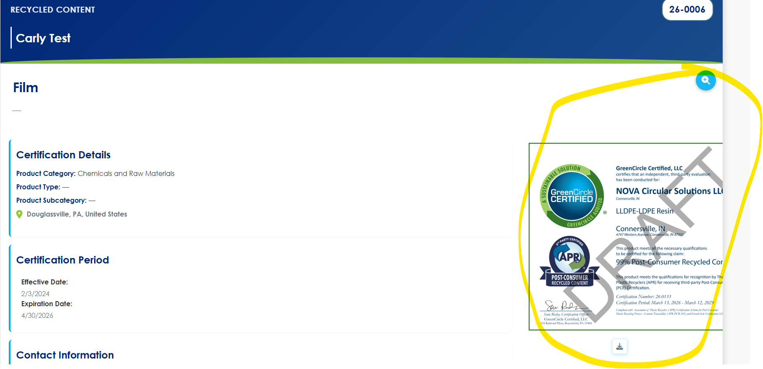

image 18
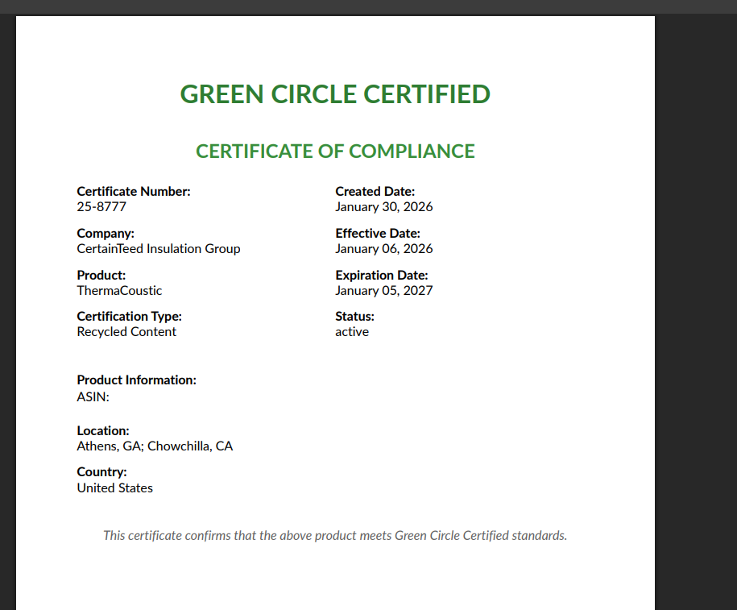

image 19 |  |  | image 19 B
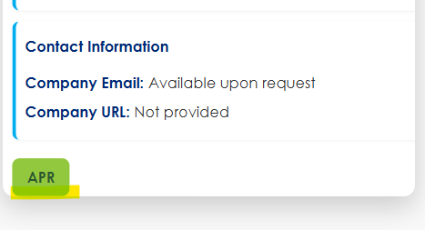

image 20
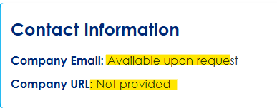

image 21

image 22 |  |  |  | image 22B
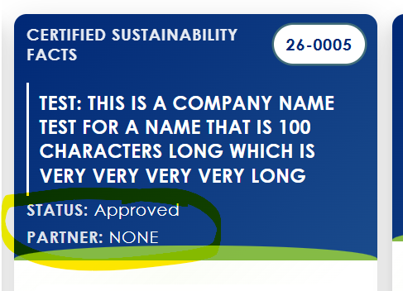

image 23
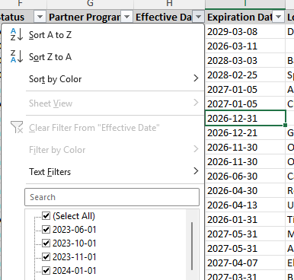

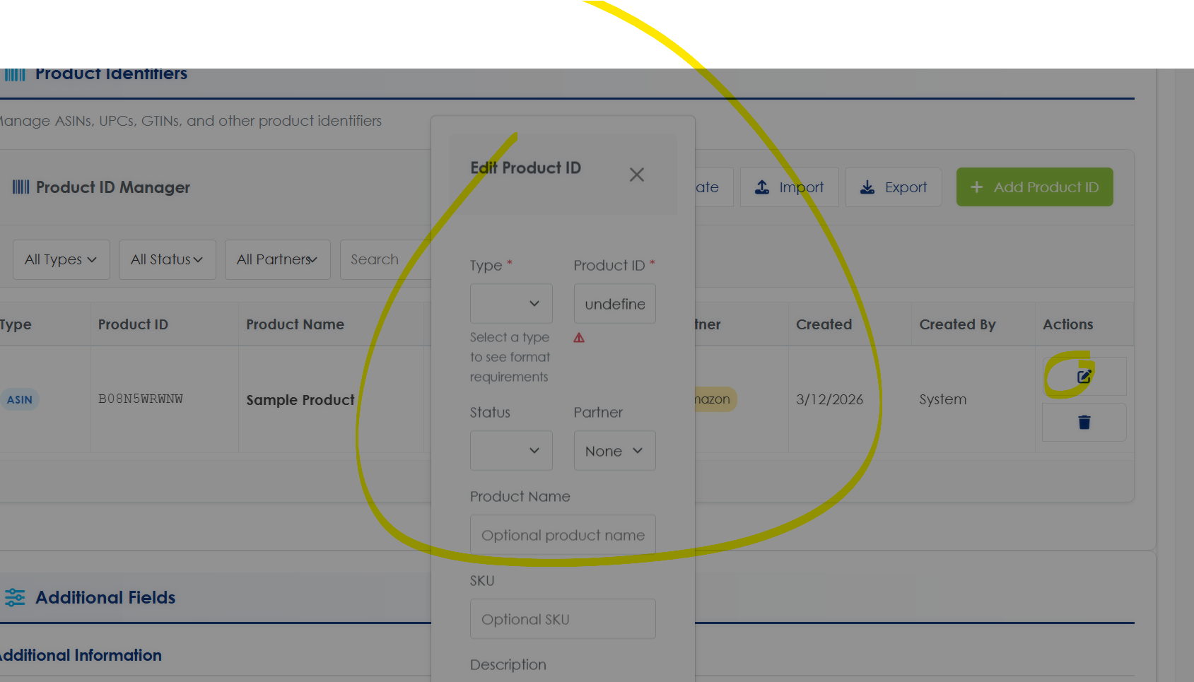
image 24
 |  |  |  |  |  |  | image 24B
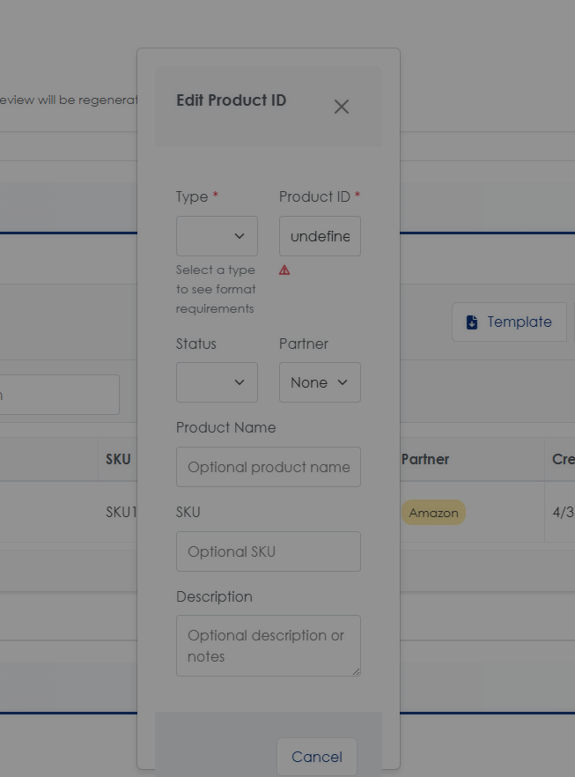

image 25
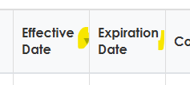

image 26
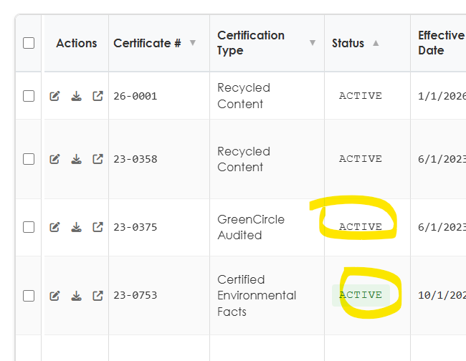

image 27
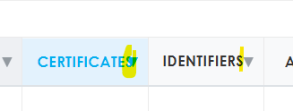

image 28

image 29
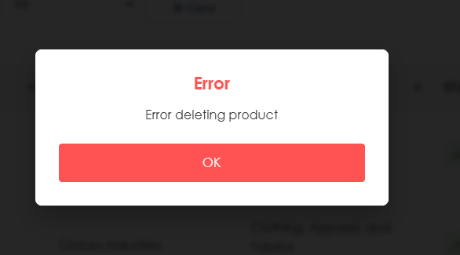

image 30

image 31

image 32
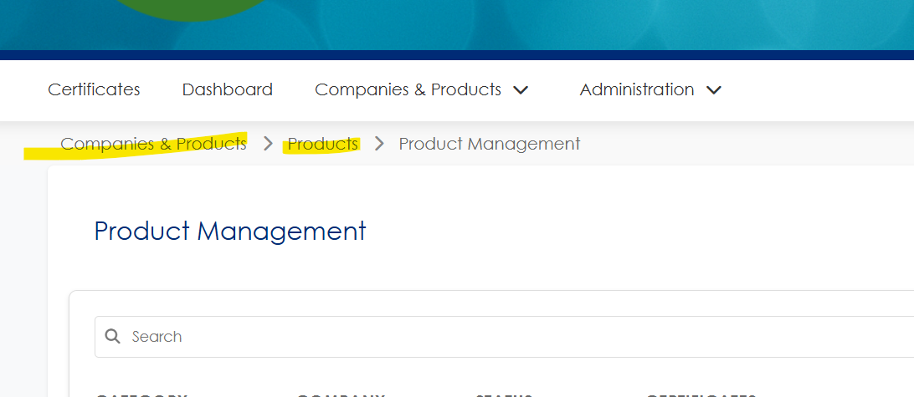

image 33

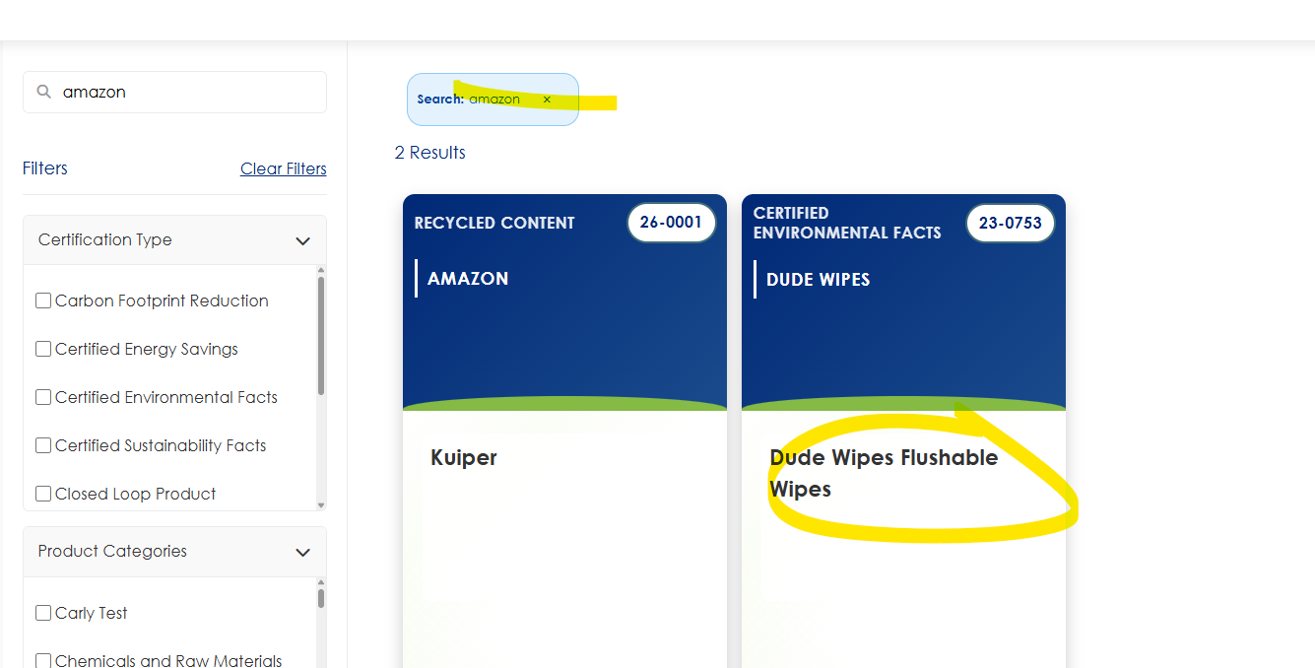
image 34
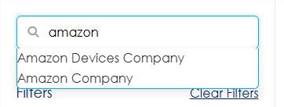

image 35
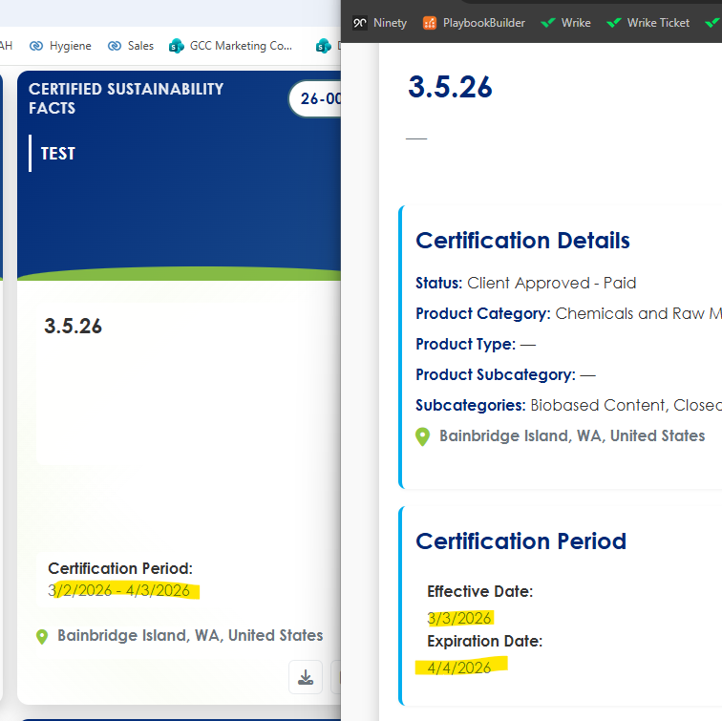

image 36
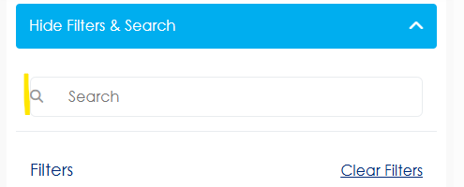

image 37
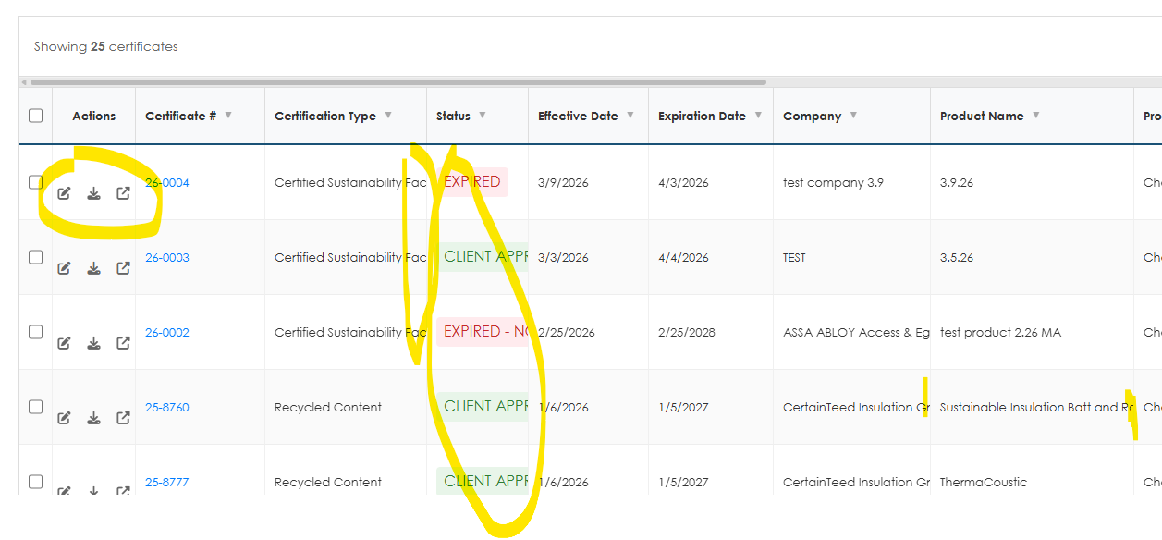

image 38
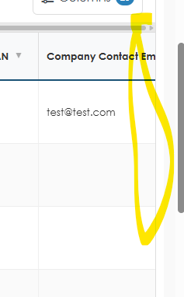

image 39
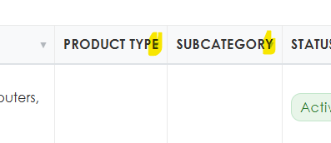

image 40
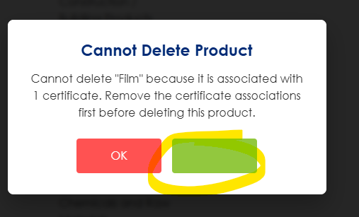
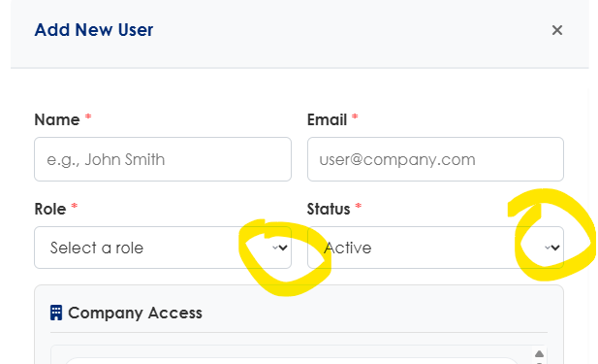

image 41

image 42
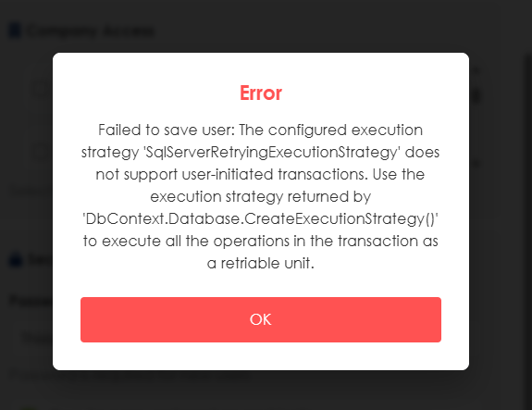

image 43
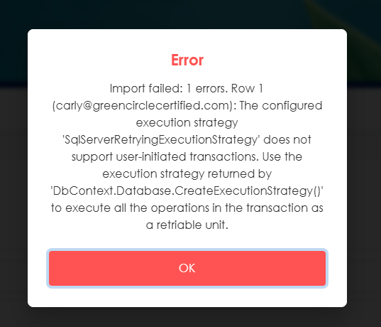

image 43

image 44


image 45
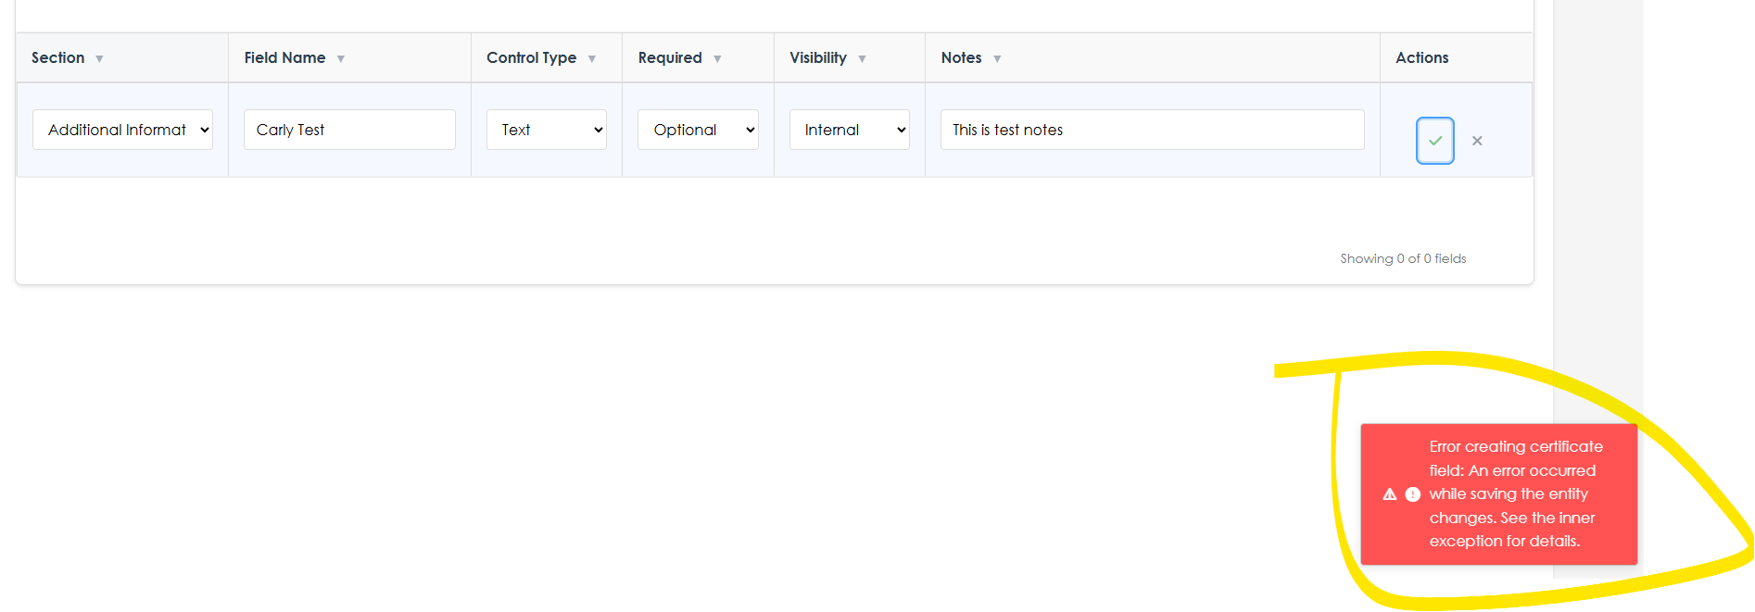

image 46
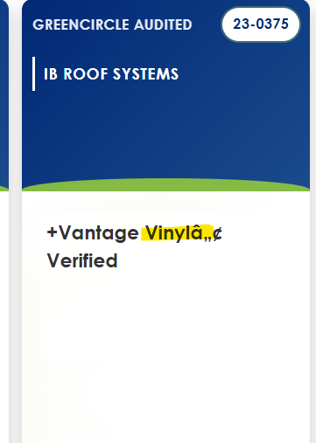

image 47
CURRENT |  | SHOULD BE:
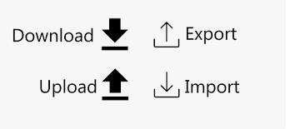

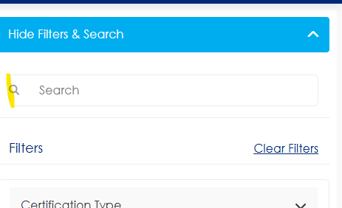
image 48

image 49
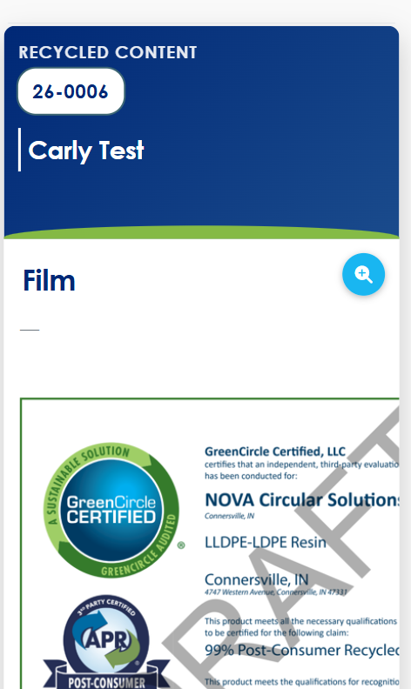

image 50

image 51
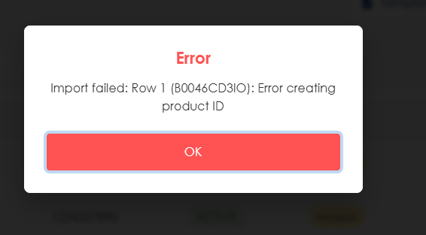

image 52
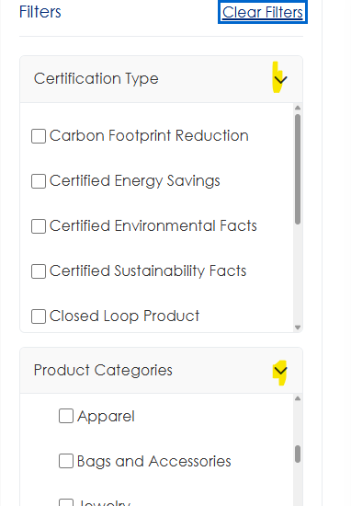

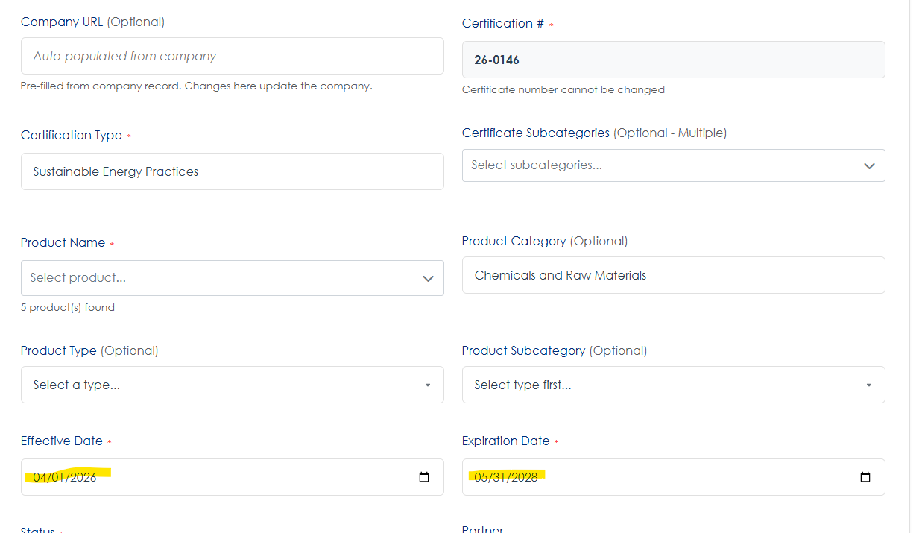
image 53
Login View |  |  |  |  |  |  |  | Public View
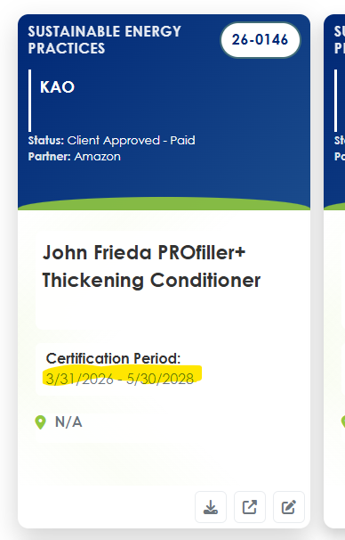
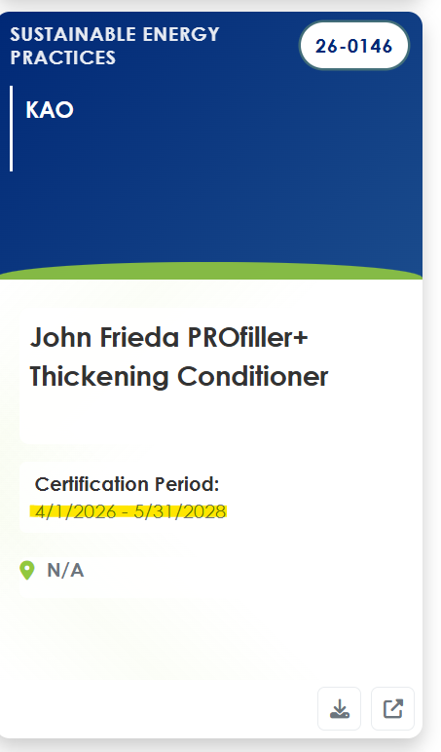

image 54

55



56

 |  |  |  |  |  |  | Timeout test 26-0159
 |  |  |  |  |  |  | Kept it even after all the alerts and hitting cancel
 |  |  |  |  |  |  | Next day when logged in draft no longer available and cleared out




57




58


59
 |  |  |  |  |  |  |  | Telling me for Carly Test there are 2 certs but I can't find |  |  | Telling me for Carly Test Type there is 1 product but I can't find |  |  |  |  |  | All numbers now 0


60

61
 | Links to Admin Dashboard page (not accessiable any other way) |  |  |  |  |  | Links to Admin Dashboard page |  |  |  |  |  | Admin is not part of this breadcrumb flow for C&P

62


63 | Ignore - no active with external tag which is why blank


64



65




66

67


68


69




70





71

72



73





74



75 - this works



76


77
Incorrect - Analyst |  |  |  |  |  |  | Correct - Admin




78



79



80

81


82

83


 |  |  |  | Name | Email | Role (Admin/Analyst/External/Partner) | Status (Active/Inactive) | Company Access (semicolon-separated names, or "All") | User Company (single company name) | Partner (semicolon-separated names; required for Partner role)
 |  |  |  | Carly Partner | carly@partner.com | Partner | Active |  | Amazon | Amazon
 |  |  |  | Carly Admin | carly@admin.com | Admin | Active |  | GreenCircle
 |  |  |  | Carly Analyst | carly@analyst.com | Analyst | Active |  | GreenCircle
 |  |  |  | Carly External | carly@external.com | External | Active | 3M; Alcon | GreenCircle
 |  |  |  | Carly External All | carly@externalall.com | External | Active | All | GreenCircle


84


85

86

87



88

89


90



91


92




94


95

96


97

98


99


100

101

102

103


104


105

106


107

108


109

110




111

112


113


114


115



116


117


118



119

120


121

122



123
 |  |  |  |  |  |  |  |  |  |  | Type | Product ID | Product Name | SKU | Partner (separate by comma) | Description
 |  |  |  |  |  |  |  |  |  |  | ASIN | B0B915YZD5 | Satisfry Air 5L Air Fryer |  | Amazon
 |  |  |  |  |  |  |  |  |  |  | ASIN | B0D93YP9NM | Satisfry Panoramic 5L Air Fryer Black |  | Amazon
 |  |  |  |  |  |  |  |  |  |  | ASIN | B0D93WK4JX | Satisfry Panoramic 5L Air Fryer Cream (Same as 27420-56 except in Cream color) |  | Amazon
 |  |  |  |  |  |  |  |  |  |  | ASIN | B0B2DPK52Y | Satisfry Air 5L Air Fryer |  | Amazon

